1. Title Page
CareerFoundry Instacart Project

Project Name: Instacart Data Analysis
Date:05/13/2024
Analyst Name: Chenhao Ma

Contents:
Population Flow
Consistency checks
Wrangling steps
Column derivations
Visualizations
Recommendations

Data Citation:
The Instacart Online Grocery Shopping Dataset 2017”, Accessed by CareerFoundry from www.instacart.com/datasets/grocery-shopping-2017 via Kaggle on unknown date.

2. Population Flow
Title page

Population flow

Exclusion flag
Condition: max_order < 5
Obervations to be removed: 1440295
Final total count of order_products_all: 30964564

Orders_products_combined
Orders_products_merged
Orders_products_all

Total: 32404859
Total:32434489
Total:32404859

1.) The grey boxes in the first row of the population flow represent the original data sets as they were when you downloaded them. In the Total fields you need to add the count of the rows when you imported the data set into Jupyter.
2.) The second row of boxes (coloured) represents the data sets after you manipulated them, e.g., removed missing values and duplicates. In the Total fields you need to add the count of the rows after conducting these operations. This offers a visual oveview of how the data flows throughout the data consistency checks.
3.) The third row, where also the arrows are coloured, represents the merges you performed between the datasets. In the Total fields you need to add the count of the rows in the merged datasets, so that you end up with the final dataset (in the red box). Keep in mind the final dataset should be without exclusions (based on the exclusion flag).

3. Consistency checks
 |  |  |  | Title page
Consistency checks

Dataset | Missing values | Missing values treatment | Duplicates
orders | days_since_prior_order has 206,209 missing values | Created a Flag that clarifies missing info | No duplicates found
products | 16 missing entries for 'product name' | Removed from dataframe | 5 duplicates found and removed
orders_products_prior | No missing values |  | No duplicates found
customers | No missing values |  | No duplicates found

4. Wrangling steps
 |  |  |  | Title page
Wrangling steps

Columns dropped | Columns renamed | Columns' type changed | Comment/Reason
eval_set |  |  | Unnecessary column
 | order_dow to "orders_day_of_week" |  | Clarify column name
 |  | order_id changed to string | Identifier column
 |  | user_id changed to string | Identifier column
 | First Name to first_name |  | Clarify
 | Surnam to last_name |  | Clarify
 | Gender to gender |  | Clarify
 | STATE to state |  | Clarify
 | Age to age |  | Clarify
 | fam_status to family_status |  | Clarify

first_name |  |  | PII removed
last_name |  |  | PII removed

5. Column derivations
 |  |  |  | Title page

Column derivations and aggregations

In this tab you should add tables below that the frequences of flags/label variables that you produced after deriving them. NB: don't do this for continuous variables, only for flags.
Dataset | New column | Column/s it was derived from | Conditions
ords_prods_merge | price_range_loc | prices | if row['prices'] <= 5: return 'Low-range product' elif (row['prices'] > 5) and (row['prices'] <= 15): return 'Mid-range product' elif row['prices'] > 15: return 'High range' else: return 'Not enough data'
ords_prods_merge | busiest_day | orders_day_of_week | for value in df_ords_prods_merge['orders_day_of_week']: if value==0: result.append('Busiest day') elif value==4: result.append("Least busy") else: result.append("Regularly busy")
ords_prods_merge | busiest_days | orders_day_of_week | for value in df_ords_prods_merge['orders_day_of_week']: if value==0 or value==1: result_2.append('Busiest days') elif value == 4 or value == 3: result_2.append("Slowest days") else: result_2.append("Regularly busy")
ords_prods_merge | busiest_period_of_day | order_hour_of_day | for value in df_ords_prods_merge["order_hour_of_day"]: if value in [10, 11, 14, 15, 13, 12]: result_3.append("Most orders") elif value in [0, 1, 5, 2, 4, 3]: result_3.append("Fewest orders") else: result_3.append("Average orders")
ords_prods_merge_derived | max_order | user_id and order_number | ords_prods_merge['max_order'] = ords_prods_merge.groupby(['user_id'])['order_number'].transform(np.max)
ords_prods_merge_derived | loyalty_flag | max_order | ords_prods_merge.loc[ords_prods_merge['max_order'] > 40, 'loyalty_flag'] = 'Loyal customer' ords_prods_merge.loc[(ords_prods_merge['max_order'] <= 40) & (ords_prods_merge['max_order'] > 10), 'loyalty_flag'] = 'Regular customer' ords_prods_merge.loc[ords_prods_merge['max_order'] <= 10, 'loyalty_flag'] = 'New customer'
ords_prods_merge_derived | average_spend | user_id and prices | ords_prods_merge['average_spend']=ords_prods_merge.groupby(['user_id'])['prices'].transform(np.mean)
ords_prods_merge_derived | spender_flag | average_spend | ords_prods_merge.loc[ords_prods_merge['average_spend']<10,'spender_flag']='Low_spender' ords_prods_merge.loc[ords_prods_merge['average_spend']>= 10, 'spender_flag'] = 'High_spender'
ords_prods_merge_derived | Customer_frequency | user_id and days_since_prior_order | ords_prods_merge['Customer_frequency'] = ords_prods_merge.groupby(['user_id'])['days_since_prior_order'].transform(np.median)
ords_prods_merge_derived | frequency_flag | Customer_frequency | ords_prods_merge.loc[ords_prods_merge['Customer_frequency'] > 20, 'frequency_flag'] = 'Non_frequent_customer' ords_prods_merge.loc[(ords_prods_merge['Customer_frequency']>10) & (ords_prods_merge['Customer_frequency']<=20),'frequency_flag'] = 'Regular customer' ords_prods_merge.loc[ords_prods_merge['Customer_frequency'] <= 10, 'frequency_flag'] = 'Frequent Customer'
orders_products_customers_aggregated | Region | state | Grouping states into predefined regions
orders_products_customers_aggregated | age_type | age | included_customers.loc[included_customers['age']< 30,'age_type'] = 'Young' included_customers.loc[(included_customers['age'] >= 30) & (included_customers['age']< 65),'age_type'] = 'Middle' included_customers.loc[included_customers['age']>= 65,'age_type'] = 'Senior'
orders_products_customers_aggregated | dependents_profile | n_dependants | included_customers.loc[included_customers['n_dependants'] == 0,'family_status'] = 'single' included_customers.loc[(included_customers['n_dependants'] > 0 ) & (included_customers['n_dependants']<=2 ),'family_status'] = 'small_family' included_customers.loc[included_customers['n_dependants']> 2,'family_status'] = 'large_family'
orders_products_customers_aggregated | income_type | income | included_customers.loc[included_customers['income'] < 67000,'income_type'] = 'low_income' included_customers.loc[included_customers['income'] > 128000,'income_type'] = 'high_income' included_customers.loc[(included_customers['income'] >= 67000) & (included_customers['income']<= 128000),'income_type'] = 'middle_income'

Frequences of flags/label variables:

Mid-range product 20891771 Low-range product 9674840 High-range product 397953 Name: price_range_loc, dtype: int64

Regularly busy 21430960 Busiest day 5908610 Least busy 3624994 Name: busiest_day, dtype: int64 |  | Regularly busy 12349739 Busiest days 11320296 Slowest days 7294529 Name: busiest_days, dtype: int64 | Most orders 15403564 Average orders 14993669 Fewest orders 567331 Name: busiest_period_of_day, dtype: int64

Regular customer 15876776 Loyal customer 10284093 New customer 4803695 Name: loyalty_flag, dtype: int64 |  | Frequent Customer 21204476 Regular customer 6865113 Non_frequent_customer 2894975 Name: frequency_flag, dtype: int64 | Low_spender 30361139 High_spender 603425 Name: spender_flag, dtype: int64

Middle 16951417 Senior 8195544 Young 5817603 Name: age_type, dtype: int64 |  | small_family 15452367 large_family 7772516 single 7739681 Name: dependents_profile, dtype: int64 | middle_income 15549969 high_income 7753117 low_income 7661478 Name: income_type, dtype: int64

6. Visualizations
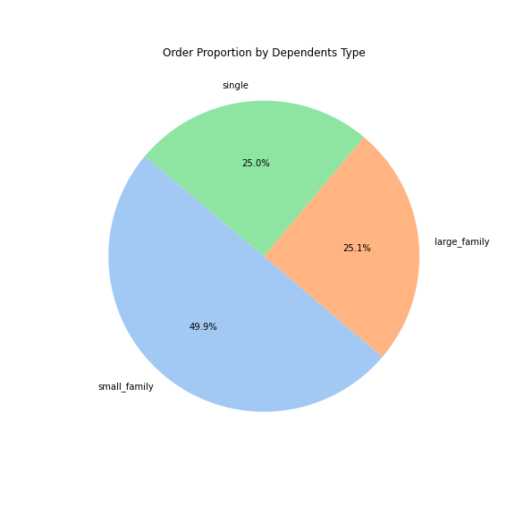
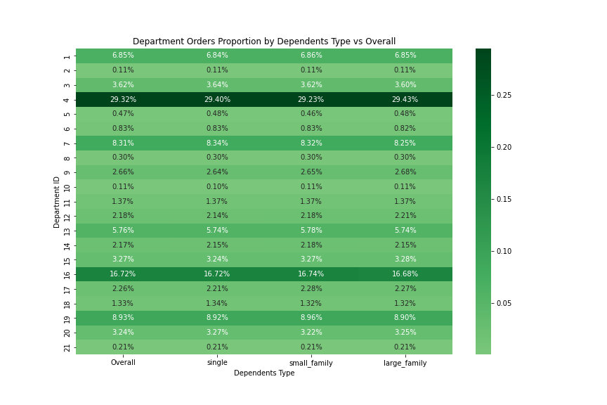
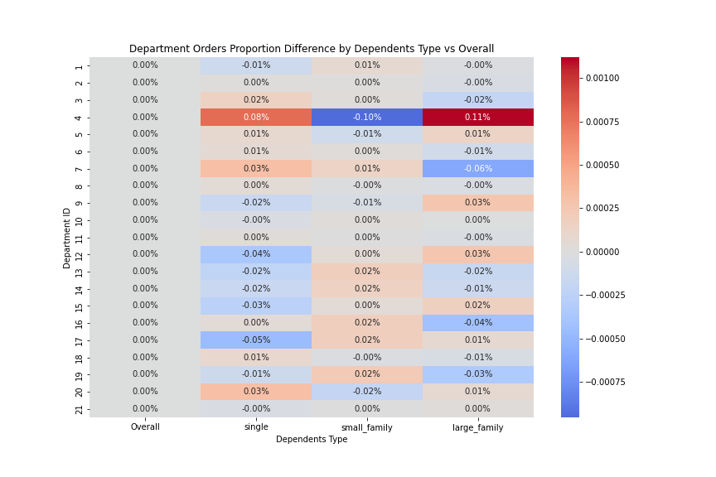
 | Title page

Visualisations

In this tab you should include all the visualtions from Exercises 4.9 and 4.10, alongside the questions from the project brief that they answer. Include any commentary on the relationship between different variables.

Q1:what the busiest days of the week and hours of the day
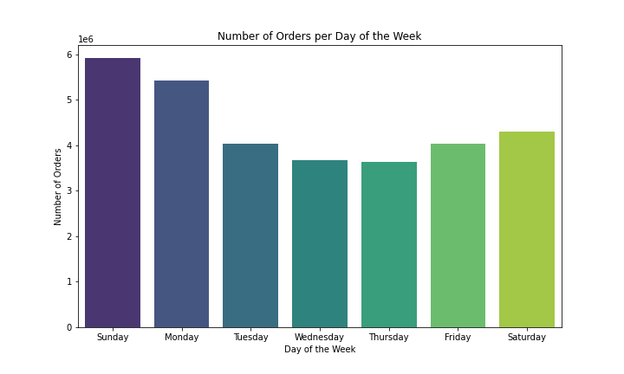
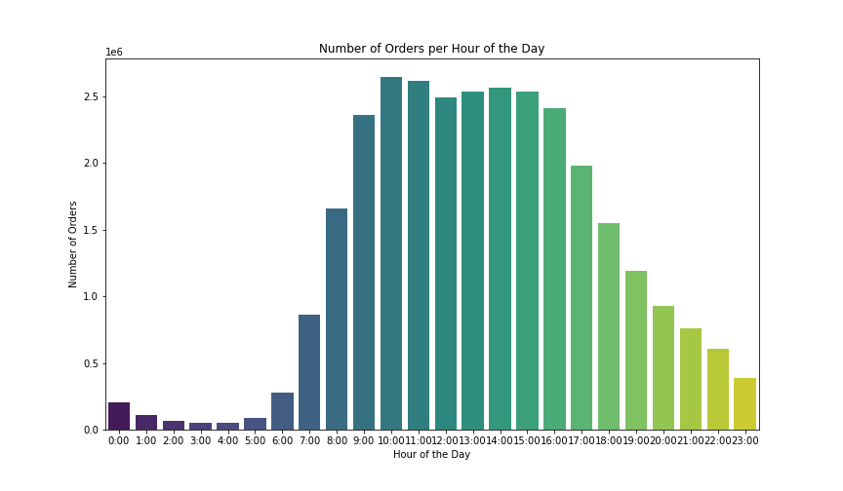

Q2:Particular times of the day when people spend the most money
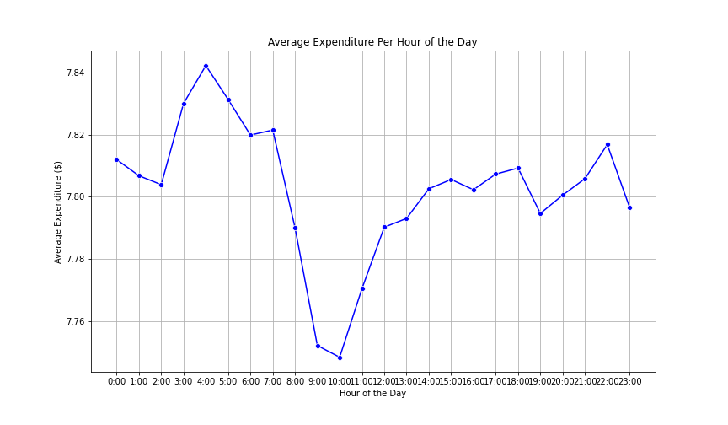
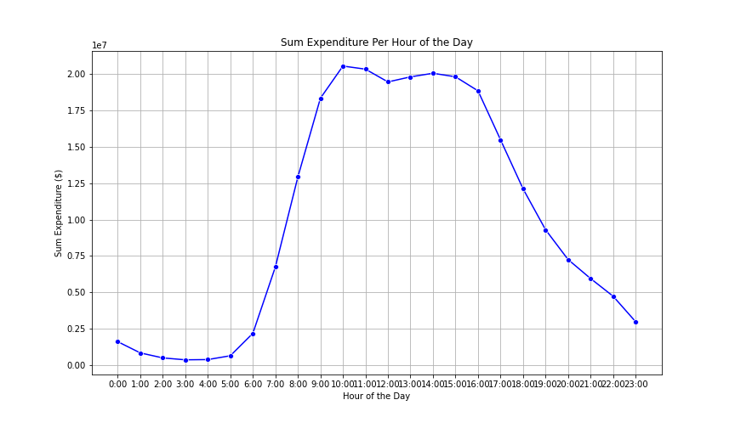

Q3:simpler price range groupings
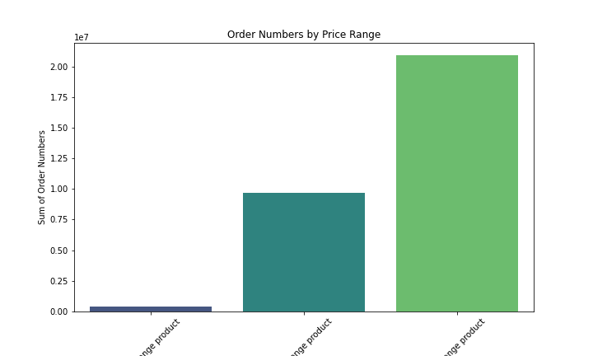

Q4: which departments have the highest frequency of product orders.

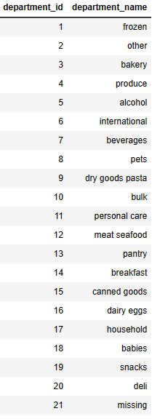
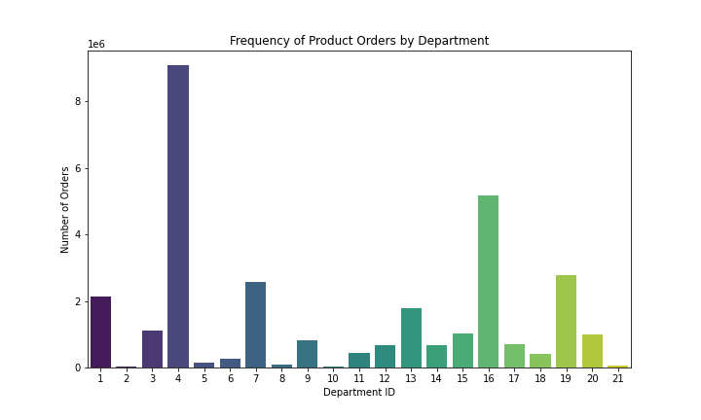

Q5: Different types of customers

Q5a: What’s the distribution among users in regards to their brand loyalty
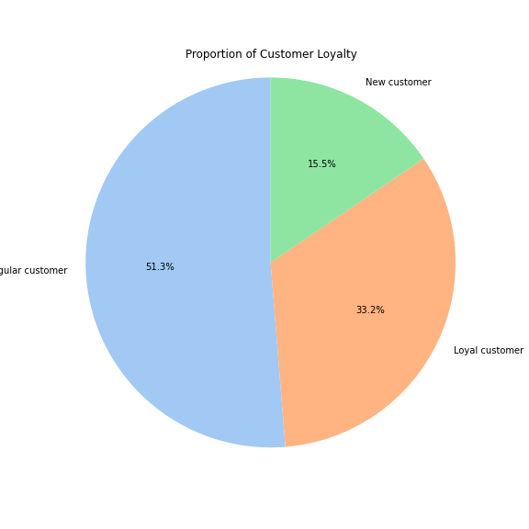

Q5b: Are there differences in ordering habits based on a customer’s loyalty status?

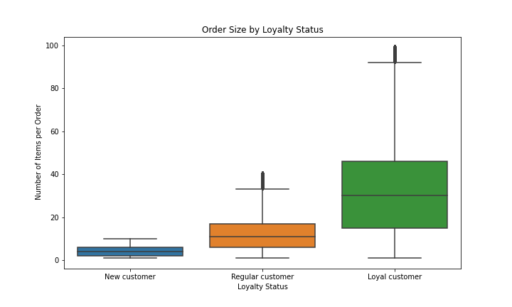
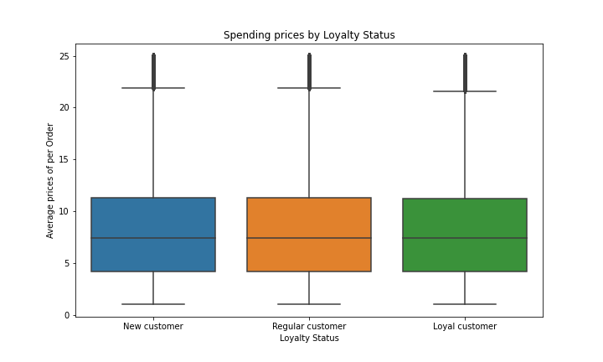

Q5c: Are there differences in ordering habits based on a customer’s region?
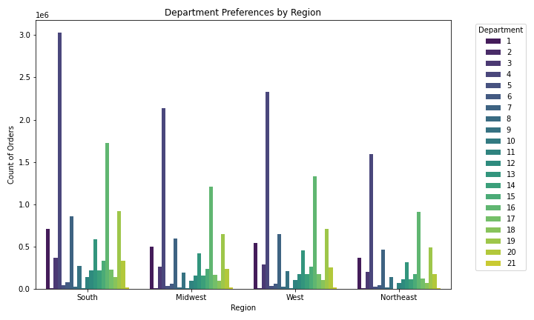
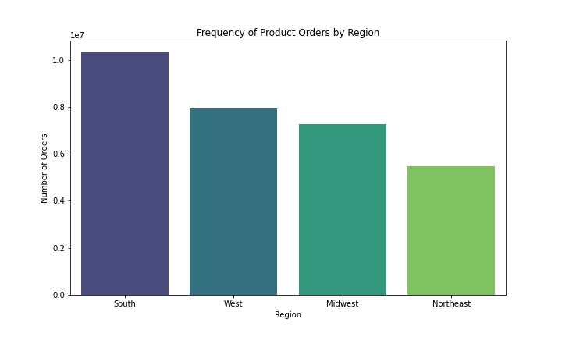

Q5d:(Integration questions) What different classifications does the demographic information suggest? What differences can you find in ordering habits of different customer profiles?

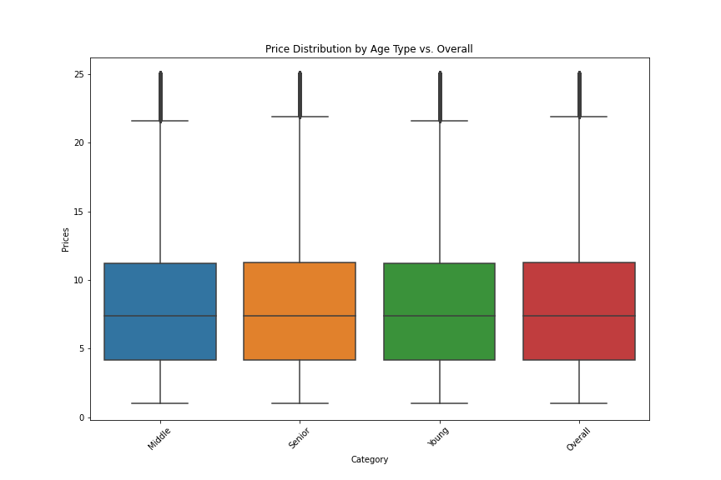
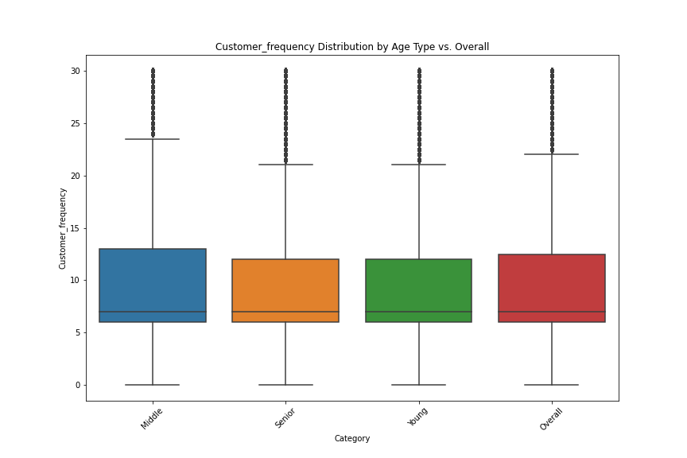
Age-profiles

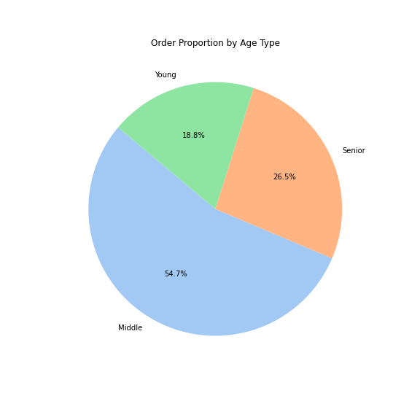

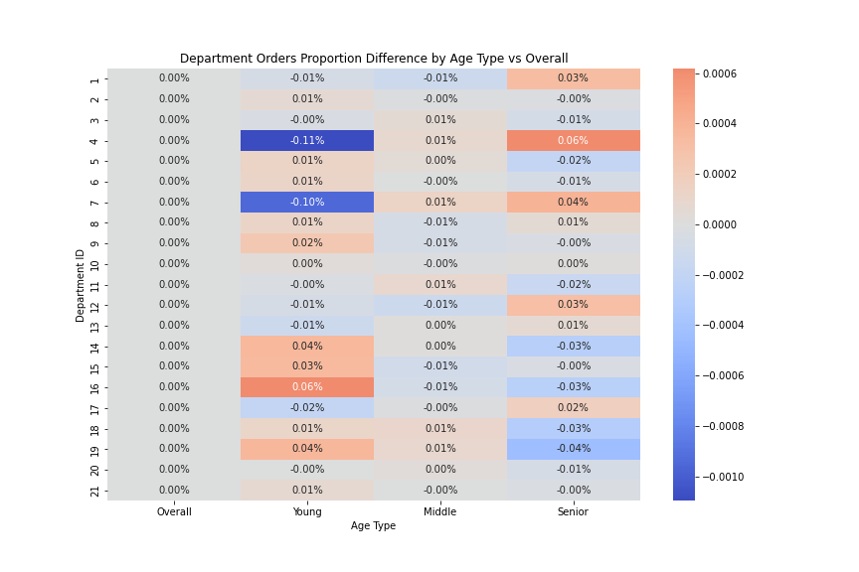
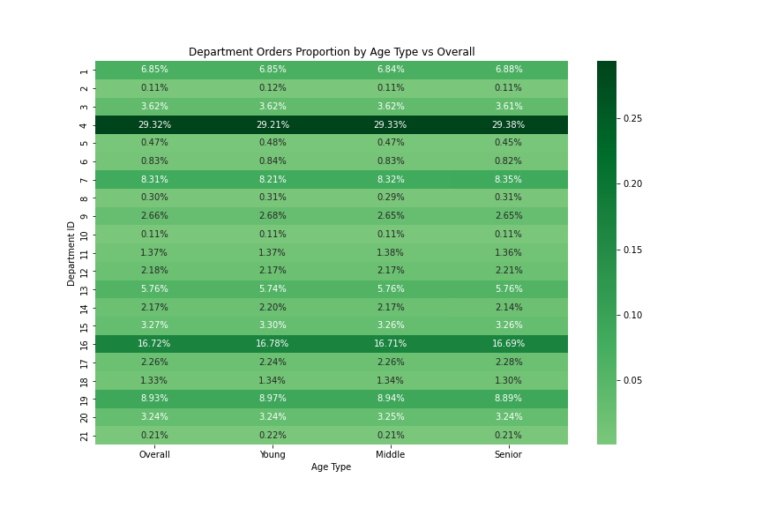

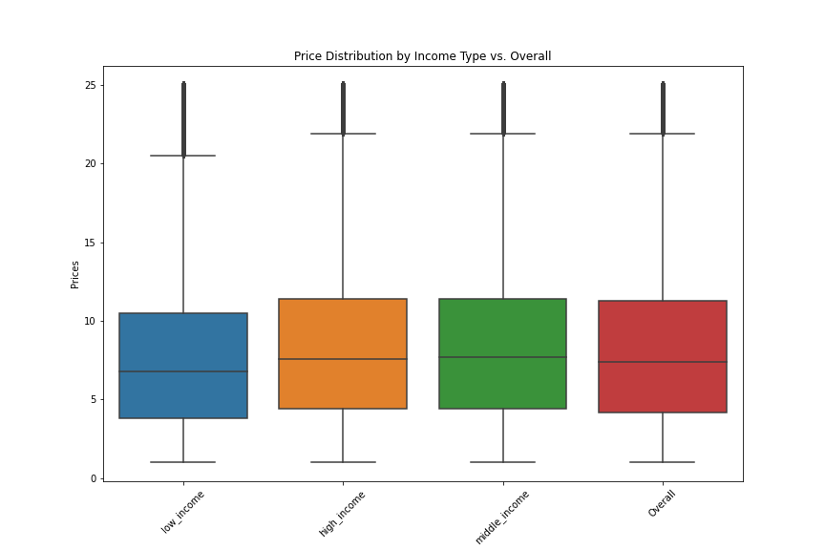

Income-profiles

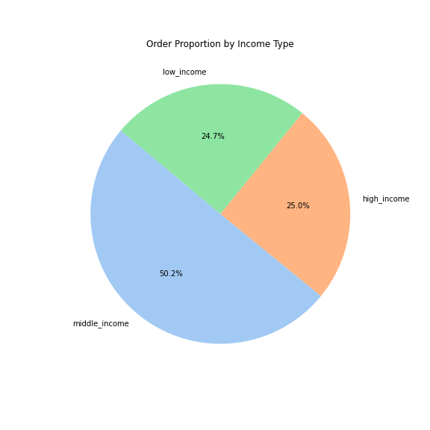

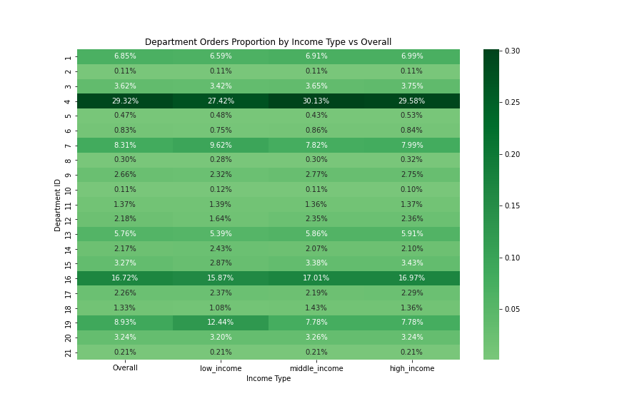
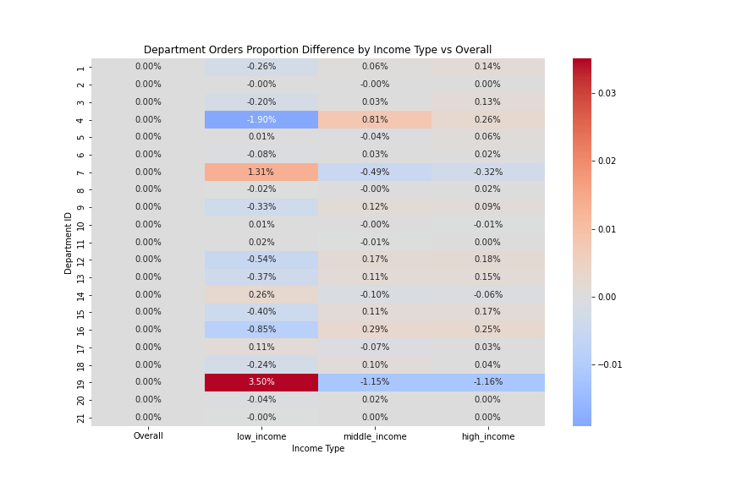

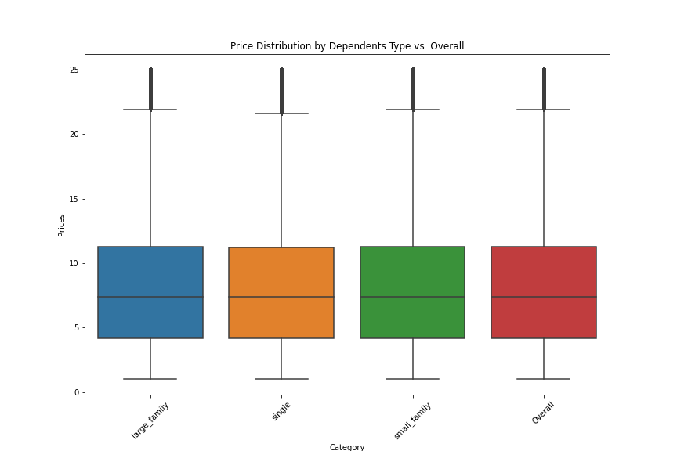
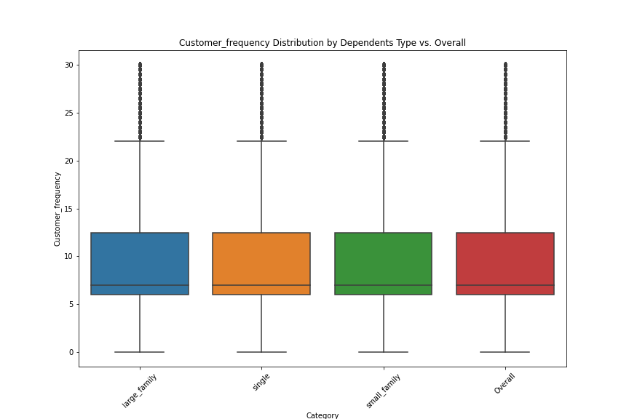
Dependants-profiles

7. Recommendations
 |  | Title page

Recommendations

In this tab you should include any recommendations you would made to Instcart in terms of their marketing strategy based on the questions posed in the brief. Every key question has been covered in the Tasks of the Exercises - here you need to add an item - a visualisation or table/crosstable that is showing the answer in the data, acompanied by a comment from you. Please, list the questions below and add the answer underneath.

Question | Answer

Key Question 1 The sales team needs to know what the busiest days of the week and hours of the day are in order to schedule ads at times when there are fewer orders. | Question Explanation: Sunday has the highest number of orders; Wednesday and Thursday have the fewest. Order volume peaks between 10:00 AM and 3:00 PM; during the early morning hours, especially from 12:00 AM to 5:00 AM, the order volume is relatively low.
 | Recommendations: Consider advertising during days and times when order volumes are lower, such as on Wednesdays and Thursdays and during the early morning hours. For ads placed during off-peak times, choose more engaging content or offer more enticing deals to increase user engagement during these periods.

Key Question 2 They also want to know whether there are particular times of the day when people spend the most money, as this might inform the type of products they advertise at these times. | Question Explanation: The average spending fluctuates minimally throughout the day, generally staying between $7.7 and $7.9. The cumulative spending data shows that the peak spending period for users is between 10 AM and 2 PM.
 | Recommendations: Given that the cumulative spending is highest from 10 AM to 2 PM, it is advisable to promote high-value or high-profit products during these times. Users may have a higher willingness to purchase during these hours, and the return on advertising investment could be more favorable.

Key Question 3 Instacart has a lot of products with different price tags. Marketing and sales want to use simpler price range groupings to help direct their efforts. | Question Explanation: The order volume for high-range products (prices > $15) is relatively low; mid-range products ($5 < prices < $15) have the highest order volume; low-range products (prices < $5) have lower order volume than mid-range products but are still relatively high.
 | Recommendations: High-range product strategies: Exclusive marketing campaigns: Design exclusive marketing campaigns for high-priced products, such as VIP customer events and limited edition product promotions. Mid-range product strategies: Expand market coverage: Considering that mid-range products have the greatest market appeal and order volume, efforts should be increased to market these products. Use multi-channel marketing strategies, such as online advertising, social media marketing, television, and radio ads. Low-range product strategies: Bundling and cross-selling: Increase sales of low-priced products through bundling and cross-selling strategies. For example, bundle low-priced products with mid to high-priced products or recommend low-priced items as add-on purchase options at checkout.

Key Question 4 Are there certain types of products that are more popular than others? The marketing and sales teams want to know which departments have the highest frequency of product orders. | Question Explanation: The departments with the highest sales are Department 4 (produce), Department 16 (dairy eggs), and Department 19 (snacks), indicating very high demand for products in these categories.
 | Recommendations: Strengthen high-sales departments: Ensure sufficient inventory: For high-sales departments such as produce, dairy eggs, and snacks, it is crucial to maintain an adequate supply of inventory to meet the continuous high demand. Intensify marketing efforts: Increase marketing efforts for these departments to leverage their high traffic. This could include more prominent placement in stores, targeted online advertising, promotional campaigns, and cross-promotional deals that can enhance product visibility and sales potential.

Key Question 5 Are there certain types of products that are more popular than others? The marketing and sales teams want to know which departments have the highest frequency of product orders.

Key Question 5a What’s the distribution among users in regards to their brand loyalty？ | Question Explanation: Loyal Customers: 10,284,093 users have placed more than 40 orders. Regular Customers: 15,876,776 users have placed between 11 and 40 orders. New Customers: 4,803,695 users have placed 10 or fewer orders. Based on the numbers, regular customers are the most numerous, followed by loyal customers, with new customers being the fewest.
 | Recommendations: Conduct regular satisfaction surveys: Regularly carry out satisfaction surveys to understand the needs and expectations of different customer groups. This allows for timely adjustments in services and products to better cater to their preferences. Utilize big data analytics tools: Employ big data analytics to deeply analyze customer behavior data. This can help identify potential demand trends and market opportunities, enabling targeted marketing strategies and product developments that resonate with customer needs.

Key Question 5b Are there differences in ordering habits based on a customer’s loyalty status? | Question Explanation: Order Number Analysis: Loyal Customers: The median and mean order sizes are higher, with a wider interquartile range (IQR) and a significant number of outliers. This suggests that loyal customers' purchasing behaviors are highly variable, including frequent routine purchases and occasional bulk buys. New Customers: Both the median and mean order sizes are lower, with a narrower IQR and no outliers, indicating that new customers' purchasing behaviors are relatively consistent and tend towards smaller transactions. Regular Customers: The median and mean order sizes are moderate, with IQR and the number of outliers falling between those of loyal and new customers. This indicates that regular customers' purchasing behaviors are neither as volatile as those of loyal customers nor as stable as those of new customers. Price Analysis: The mean and median values are very close across all loyalty categories, suggesting that customers' average spending levels are similar regardless of loyalty, with a median around $7.40. The IQR is the same across the three customer groups, indicating that customers of different loyalty levels have similar distributions in terms of price variability. Loyal customers have relatively fewer outliers, while regular customers have the most. This could suggest that regular customers may have greater price sensitivity or variability in prices, whereas loyal customers may be more stable or predictable.
 | Recommendations: Consider offering special discounts or rewards to loyal customers, such as loyalty points back and member day discounts, to reward their continuous purchasing behavior and stability. For regular customers who experience high price variability and outliers, design incentive programs to encourage them to become loyal customers, such as offering upgrade discounts or accelerated loyalty points. Provide guidance and education to new customers to help them understand how to fully utilize the value of the platform. For example, offer a beginner's guide, shopping coupons, and special discounts for first-time purchases.

Key Question 5c Are there differences in ordering habits based on a customer’s loyalty status? | Question Explanation: Regional Order Volume Comparison: The South region has a significantly higher total order volume than other regions, followed closely by the West. The Midwest and Northeast regions have relatively lower volumes. Department Preferences Across Regions: There is no significant difference in department preferences across regions; all regions demonstrate a high preference for the produce department (4), and dairy eggs (16) are also relatively high in all regions. In contrast, the orders for other (2) and bulk (10) departments are generally lower.
 | Recommendations: Region-Specific Marketing Campaigns: Customize marketing campaigns based on the specific needs and preferences of each region. This targeted approach can enhance engagement and conversion rates by addressing regional tastes and demands more accurately. Leveraging Data Analysis for Supply Chain Optimization: Continuously monitor order data from each region to adjust supply chain management accordingly. Ensuring a sufficient supply of high-demand products can minimize overstock issues and improve overall efficiency.

Key Question 5d What different classifications does the demographic information suggest?What differences can you find in ordering habits of different customer profiles?

Age profile | Question Explanation: Categorize users by age group, labeling those under 30 as 'young,' those aged 30 to 65 as 'middle,' and those 65 and older as 'senior'. Differences in Order Quantity: Middle-aged users (ages 30-65) place the highest number of orders. Senior users (ages 65 and above) place the second highest number of orders. Young users (under 30) place the fewest orders. Differences in Transaction Prices: The average and median prices across all age groups are very close, indicating similar price acceptance levels across age groups. Differences in Purchase Frequency: Purchase frequency, as measured by purchase intervals, is highest among middle-aged users, followed by young users, with seniors having the lowest frequency. This suggests that young and senior users tend to shop more frequently, while middle-aged users may prefer periodic bulk purchases. Differences in Consumption Preferences: When comparing the consumption proportion of each department among different age groups, there is no significant difference from the overall consumption proportion across departments (without age segmentation). Produce (department_id 4) has the highest proportion of consumption across all age groups. Additionally, the Senior age group has a slightly higher proportion of spending in this department compared to other age groups. Dairy eggs (department_id 16) also have a high consumption proportion across all age groups, with the Young age group having the highest proportion of spending within this department.
 | Recommendations: For Senior Users: Intensify promotions for health and nutrition products to meet the elderly's interest in healthy eating. For Middle-aged Users: Promote products suitable for the whole family's tastes and large packaging goods to meet family needs. Offer family packs and multi-item discounts to encourage bulk purchasing. For Young Users: Employ digital marketing strategies to more effectively attract young consumers, such as promoting healthy snacks and trendy beverages on social media.

Income profile | Question Explanation: Order Quantity Differences: Middle-income users place the highest number of orders. High-income and low-income users have lower order volumes. Differences in Transaction Prices: High-income and middle-income users have higher average prices, indicating greater spending power and a tendency to purchase higher-value items. Low-income users have lower average prices, which may reflect budget constraints and more price-sensitive shopping behaviors. Differences in Purchase Frequency: Low-income users have the highest average purchase intervals, indicating they may shop less frequently, likely due to lower disposable income. Middle-income and high-income users have shorter purchase intervals, indicating more frequent buying behaviors, especially middle-income users Differences in Consumption Preferences: Produce (department_id 4) is the department with the highest consumption proportion across all income groups, especially prominent in the middle-income group. This indicates that regardless of income level, most people tend to spend significantly in this department, with middle-income earners having the highest proportion of spending there. Snacks (department_id 19) have a notably high consumption proportion within the low-income group, much higher than in the other two groups. This may suggest that low-income consumers are more inclined to purchase snack products. Beverages (department_id 7) also have a higher consumption proportion in the low-income group, indicating that this demographic may have a preference for buying beverage products.
 | Recommendations: For Low-Income Group (low_income): Offer discounts and promotional activities to attract price-sensitive consumers. Increase promotions for snacks and beverages. For Middle-Income Users: Strengthen the promotion of products with high cost-effectiveness to meet their dual needs for quality and affordability. Middle-income consumers have the highest proportion of spending in the produce department, so promoting organic or high-quality fruits and vegetables could attract consumers with high demands for a healthy diet. For High-Income Users: Promote high-end and luxury products, as well as personalized services such as customized products or exclusive offers.

Dependents profile | Question Explanation: Differences in Order Quantity: Users from small families place the highest number of orders. Users from large families and singles place fewer orders. Differences in Transaction Prices: The average and median prices across all family types are very close, indicating similar price acceptance among different family types. Differences in Purchase Frequency: There is almost no difference in purchase frequency among the different family types. Differences in Consumption Preferences: There is almost no difference in Consumption Preferences among the different family types.
 | Recommendations: For Small Families: Promote family-friendly product bundles, such as family meal kits and bulk packaging items, to meet their frequent purchasing needs. For Large Families: Emphasize discounts and offers on bulk purchases to attract large families who may be more inclined to buy in larger quantities. For Singles: Promote small packaging and single-serving foods to cater to the consumption needs of single users.

